COV, Corr
 | X | Y | X-meanX | (X-meanX)^2 | Y-meanY | (Y-meanY)^2 | col E* col H
 | 10 | 1 | -4 | 16 | -17.6 | 309.76 | 70.4
 | 20 | 45 | 6 | 36 | 26.4 | 4.2857 | 158.4 | Coverience= 18/(10-1) = | 2
 | 15 | 25 | 1 | 1 | 6.4 | 40.96 | 6.4 | Correlation = Cov(X,Y)/std(X)* std(Y) | 0.017764466959
 | 20 | 12 | 6 | 36 | -6.6 | 43.56 | -39.6
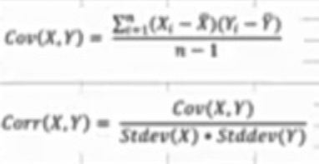
 | 15 | 32 | 1 | 1 | 13.4 | 179.56 | 13.4
 | 12 | 6 | -2 | 4 | -12.6 | 158.76 | 25.2
 | 15 | 3 | 1 | 1 | -15.6 | 243.36 | -15.6
 | 8 | 50 | -6 | 36 | 31.4 | 985.96 | -188.4
 | 0 | 8 | -14 | 196 | -10.6 | 112.36 | 148.4
 | 25 | 4 | 11 | 121 | -14.6 | 213.16 | -160.6

SUM | 140 | 186 |  | 448 |  | 2291.7257 | 18
count | 10 | 10 |  |  |  |  | 10
mean | 14 | 18.6
 | meanX | meanY
varanceX |  |  | v for X = | 49.777777778 | v for Y = | 254.63618889
Standard divtion |  |  | std for X= | 7.0553368295 | std for Y= | 15.957323989

